Q3
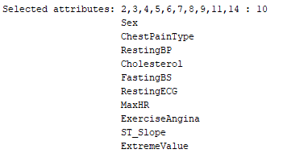
Relief Algorithm | Classifier Attribute |  | Info Gain - full dataset |  | Info Gain - 6 fold
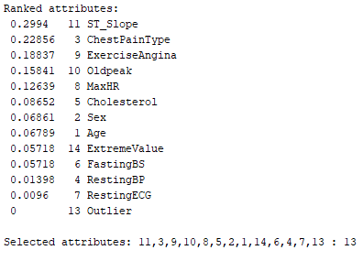
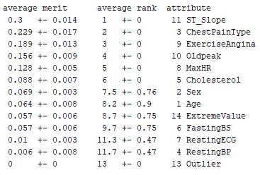
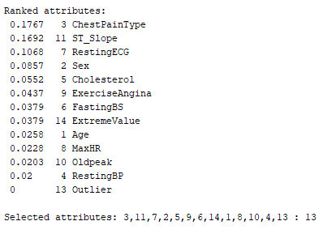
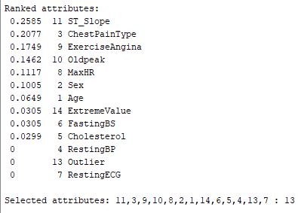

Greedy stepwise (forward) + Wrapper subset evaluation |  | Greedy stepwise (backwards) + Wrapper subset evaluation |  | Best First + Wrapper subset evaluation
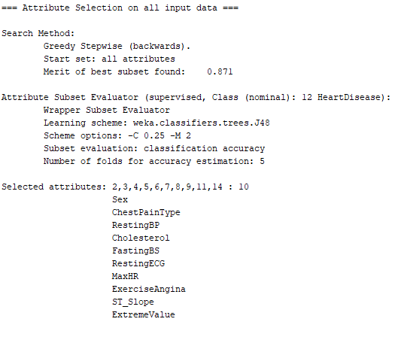
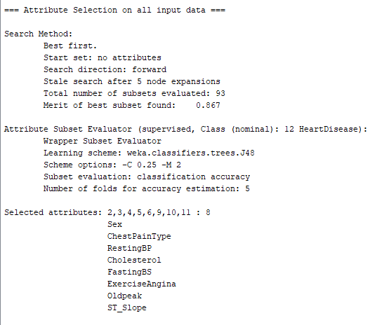
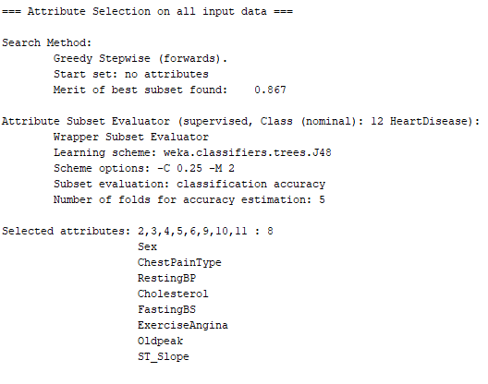

Final Feature selection (excluding Extreme values)

